Cover

Cool experiments and tools for hobbyists and
future professionals



Tutorial on YouTube!

Cool Tool: | Dew Point Calculations

 |  | Dew Point Table and Diagram
 |  | Dew Point Calculation
 |  | Dew Point Calculation for Data Series

Version 22.08.2021
Further distribution without changes is permitted

Dew Point Diagram
Dew Point

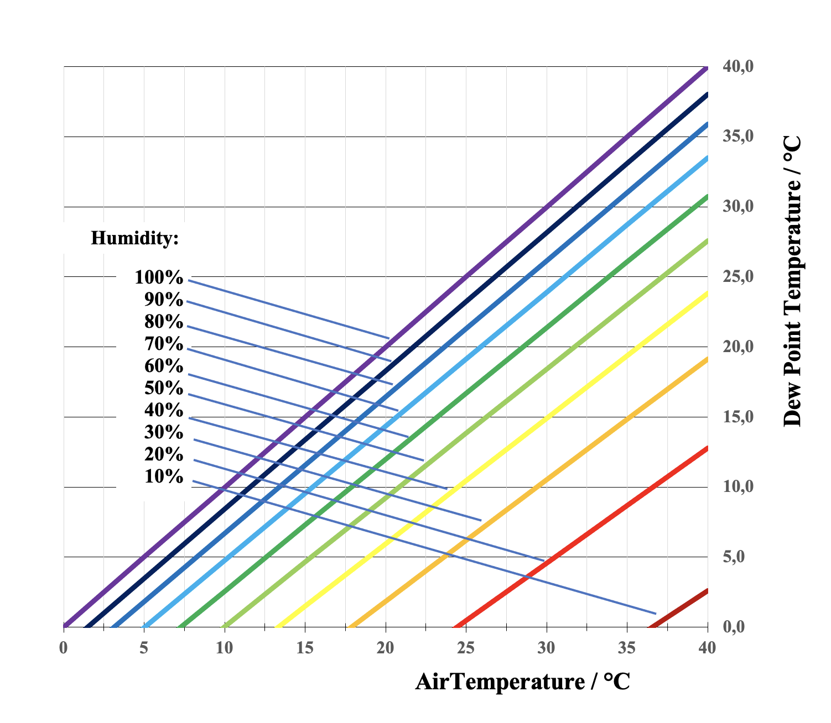

 |  |  | -45° < Temp < +60°

 |  |  | K2 = |  | 17.62 |  |  |  |  |  |  |  |  |  |  |  |  |  | Tutorial on YouTube!
 |  |  | K3 = |  | 243.12

 |  |  | Humidity

 |  |  | 10% |  | 20% |  | 30% |  | 40% |  | 50% |  | 60% |  | 70% |  | 80% |  | 90% |  | 100%

 | Temp |  | Dew Point Temperature

 | 0 | °C | -28.1 | °C | -20.3 | °C | -15.5 | °C | -12.0 | °C | -9.2 | °C | -6.8 | °C | -4.8 | °C | -3.0 | °C | -1.4 | °C | 0.0 | °C
 | 5 | °C | -24.2 | °C | -16.2 | °C | -11.2 | °C | -7.5 | °C | -4.6 | °C | -2.1 | °C | 0.0 | °C | 1.8 | °C | 3.5 | °C | 5.0 | °C
 | 10 | °C | -20.3 | °C | -12.0 | °C | -6.8 | °C | -3.0 | °C | 0.0 | °C | 2.6 | °C | 4.8 | °C | 6.7 | °C | 8.4 | °C | 10.0 | °C
 | 15 | °C | -16.4 | °C | -7.8 | °C | -2.5 | °C | 1.5 | °C | 4.7 | °C | 7.3 | °C | 9.6 | °C | 11.6 | °C | 13.4 | °C | 15.0 | °C
 | 20 | °C | -12.6 | °C | -3.7 | °C | 1.9 | °C | 6.0 | °C | 9.3 | °C | 12.0 | °C | 14.4 | °C | 16.4 | °C | 18.3 | °C | 20.0 | °C
 | 25 | °C | -8.8 | °C | 0.5 | °C | 6.2 | °C | 10.5 | °C | 13.9 | °C | 16.7 | °C | 19.1 | °C | 21.3 | °C | 23.2 | °C | 25.0 | °C
 | 30 | °C | -5.0 | °C | 4.6 | °C | 10.5 | °C | 14.9 | °C | 18.4 | °C | 21.4 | °C | 23.9 | °C | 26.2 | °C | 28.2 | °C | 30.0 | °C
 | 35 | °C | -1.2 | °C | 8.7 | °C | 14.8 | °C | 19.4 | °C | 23.0 | °C | 26.1 | °C | 28.7 | °C | 31.0 | °C | 33.1 | °C | 35.0 | °C
 | 40 | °C | 2.6 | °C | 12.8 | °C | 19.1 | °C | 23.8 | °C | 27.6 | °C | 30.8 | °C | 33.5 | °C | 35.9 | °C | 38.0 | °C | 40.0 | °C

Air Temp Surface Temp Series
Dew Point

 |  | Copy & paste a series
 |  | of measurements
 |  | -45° < Temp < +60° |  |  |  |  |  |  |  |  |  | Tutorial on YouTube!

 | K2 = | 17.62
 | K3 = | 243.12

 | Time | Temp-Air | Temp-Surf | Hum | Max H |  |  | Dew T Max | Act. T Diff |  |  | T Diff
 |  | °C | °C | % | % |  |  | °C |  |  |  | °C

input |  |  |  | Tolerance: | 10.0 | % | Output |  | Sec Act Diff: | 1.0 | °C | Sec Diff: | 3.3 | °C

 | 14:00:00 | 17.09 | 16.16 | 83% | 92% |  |  | 15.7 | 0.4 | !! |  | 1.4 | !!
 | 15:00:00 | 16.61 | 15.23 | 85% | 94% |  |  | 15.6 | -0.3 | !! |  | 1.1 | !!
 | 16:00:00 | 15.39 | 15.85 | 89% | 98% |  |  | 15.1 | 0.7 | !! |  | 0.2 | !!
 | 17:00:00 | 14.68 | 15.57 | 94% | 100% |  |  | 14.7 | 0.9 | !! |  | 0.0 | !!
 | 18:00:00 | 14.26 | 14.82 | 96% | 100% |  |  | 14.3 | 0.6 | !! |  | 0.0 | !!
 | 19:00:00 | 14.10 | 14.40 | 96% | 100% |  |  | 14.1 | 0.3 | !! |  | 0.0 | !!
 | 20:00:00 | 14.26 | 14.16 | 97% | 100% |  |  | 14.3 | -0.1 | !! |  | 0.0 | !!
 | 21:00:00 | 14.65 | 14.06 | 95% | 100% |  |  | 14.7 | -0.6 | !! |  | 0.0 | !!
 | 22:00:00 | 15.33 | 14.15 | 89% | 98% |  |  | 15.0 | -0.9 | !! |  | 0.3 | !!
 | 23:00:00 | 15.46 | 14.39 | 88% | 96% |  |  | 14.9 | -0.5 | !! |  | 0.6 | !!
 | 1900-01-01 00:00:00 | 15.67 | 14.79 | 90% | 99% |  |  | 15.5 | -0.8 | !! |  | 0.1 | !!
 | 1900-01-01 01:00:00 | 15.82 | 14.87 | 92% | 100% |  |  | 15.8 | -0.9 | !! |  | 0.0 | !!
 | 1900-01-01 02:00:00 | 17.57 | 15.00 | 77% | 85% |  |  | 14.9 | 0.1 | !! |  | 2.6 | !!
 | 1900-01-01 03:00:00 | 18.70 | 15.09 | 69% | 76% |  |  | 14.3 | 0.8 | !! |  | 4.4
 | 1900-01-01 04:00:00 | 19.92 | 16.14 | 64% | 71% |  |  | 14.5 | 1.7 |  |  | 5.4
 | 1900-01-01 05:00:00 | 20.62 | 16.82 | 62% | 68% |  |  | 14.4 | 2.4 |  |  | 6.2
 | 1900-01-01 06:00:00 | 21.56 | 17.55 | 58% | 64% |  |  | 14.3 | 3.2 |  |  | 7.2
 | 1900-01-01 07:00:00 | 22.28 | 17.98 | 54% | 60% |  |  | 14.0 | 3.9 |  |  | 8.2
 | 1900-01-01 08:00:00 | 22.12 | 18.54 | 54% | 59% |  |  | 13.8 | 4.7 |  |  | 8.3
 | 1900-01-01 09:00:00 | 22.30 | 18.96 | 52% | 58% |  |  | 13.5 | 5.5 |  |  | 8.8
 | 1900-01-01 10:00:00 | 22.42 | 18.87 | 53% | 58% |  |  | 13.9 | 5.0 |  |  | 8.6
 | 1900-01-01 11:00:00 | 20.92 | 18.98 | 66% | 72% |  |  | 15.7 | 3.2 |  |  | 5.2
 | 1900-01-01 12:00:00 | 17.60 | 19.05 | 78% | 86% |  |  | 15.2 | 3.9 |  |  | 2.4 | !!
 | 1900-01-01 13:00:00 | 16.06 | 18.16 | 82% | 90% |  |  | 14.5 | 3.7 |  |  | 1.6 | !!

Example Input
time | temp-air | hum | temp-surface
14:00:00 | 17.09 | 83% | 16.16
15:00:00 | 16.61 | 85% | 15.23
16:00:00 | 15.39 | 89% | 15.85
17:00:00 | 14.68 | 94% | 15.57
18:00:00 | 14.26 | 96% | 14.82
19:00:00 | 14.10 | 96% | 14.40
20:00:00 | 14.26 | 97% | 14.16
21:00:00 | 14.65 | 95% | 14.06
22:00:00 | 15.33 | 89% | 14.15
23:00:00 | 15.46 | 88% | 14.39
1900-01-01 00:00:00 | 15.67 | 90% | 14.79
1900-01-01 01:00:00 | 15.82 | 92% | 14.87
1900-01-01 02:00:00 | 17.57 | 77% | 15.00
1900-01-01 03:00:00 | 18.70 | 69% | 15.09
1900-01-01 04:00:00 | 19.92 | 64% | 16.14
1900-01-01 05:00:00 | 20.62 | 62% | 16.82
1900-01-01 06:00:00 | 21.56 | 58% | 17.55
1900-01-01 07:00:00 | 22.28 | 54% | 17.98
1900-01-01 08:00:00 | 22.12 | 54% | 18.54
1900-01-01 09:00:00 | 22.30 | 52% | 18.96
1900-01-01 10:00:00 | 22.42 | 53% | 18.87
1900-01-01 11:00:00 | 20.92 | 66% | 18.98
1900-01-01 12:00:00 | 17.60 | 78% | 19.05
1900-01-01 13:00:00 | 16.06 | 82% | 18.16

